Instrucciones
INSTRUCCIONES

El presente Excel tiene las Timesheet - para los proyectos del H2020 - del año 2015, conforme al Calendario Laboral

Existe un hoja por cada uno de los meses:

En la pestaña "DATA" es posible rellenar los campos comunes a todos los meses (acrónimo, referencia, trabajador, IP, WP):

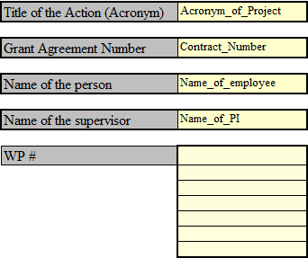
Acrónimo y número de contrato con la UE

Nombre y Apellidos del Investigador

Nombre y Apellidos del IP

WP

Tras seleccionar un mes, rellenar únicamente los siguientes campos:

Acrónimo y número de contrato con la UE

No rellenar (estamos averiguando que poner)

Nombre y Apellidos del Investigador

Work Package
Horas trabajadas por día y WP

OJO: la hoja valida que no se superen el límite de horas por día (7,5 horas)

Nombre y Apellidos del IP , fecha
Nombre y Apellidos del Investigador, fecha

