Instrucciones
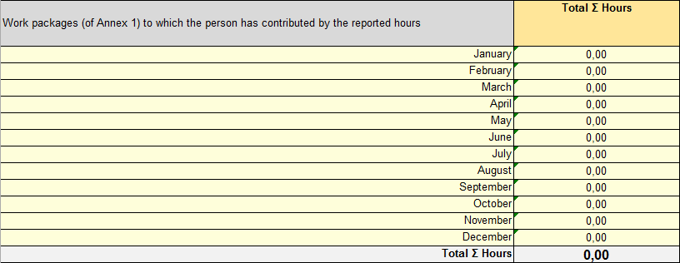
INSTRUCCIONES

El presente Excel tiene las Timesheet - para los proyectos del H2020 - del año 2016, conforme al Calendario Laboral

Existe un hoja por cada uno de los meses:

En la pestaña "DATA" es posible rellenar los campos comunes a todos los meses (acrónimo, referencia, trabajador, IP):

Acrónimo y número de contrato con la UE

Nombre y Apellidos del Investigador

Nombre y Apellidos del IP

Tras seleccionar un mes, rellenar únicamente los siguientes campos:

Acrónimo y número de contrato con la UE

Nombre y Apellidos del Investigador

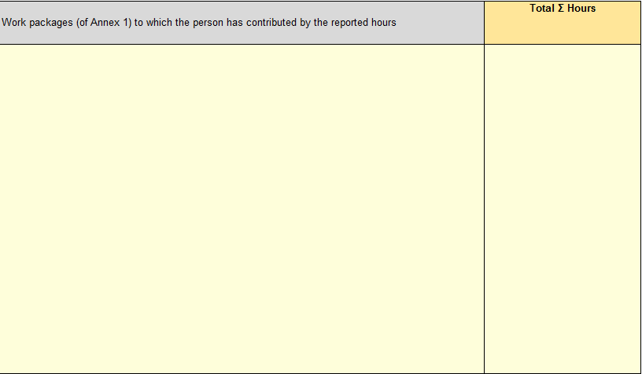

Horas trabajadas (totales del mes)
Work Package information

 | OJO: la hoja no permite superar el límite de horas por mes (conforme al calendario laboral)

Nombre y Apellidos del IP , fecha
Nombre y Apellidos del Investigador, fecha

En la última pestaña se muestra un resumen con la información de todos los meses

