Instrucciones
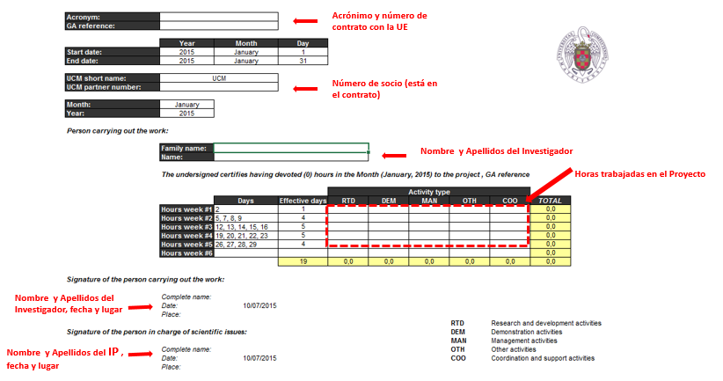
INSTRUCCIONES

El presente Excel tiene las Timesheet - para los proyectos del FP7 - del año 2020, conforme al Calendario Laboral

Existe un hoja por cada uno de los meses:

Rellenar los siguientes campos y se trasladarán automáticamente a todas las hojas:

Acronym: | Nombre_proyecto
GA reference: | incluir_numero_contrato

UCM partner number: | numero_socio

Person carrying out the work:

 | Family name: | apellido_Investigador
 | Name: | Nombre_Investigador

Signature of the person carrying out the work:

 | Complete name: | apellido_Investigador, Nombre_Investigador
 | Date:
 | Place: | Madrid

Signature of the person in charge of scientific issues:

 | Complete name: | Apellido, Nombre_del_IP
 | Date:
 | Place: | Madrid

OJO: horas máximas.

Sólo se pueden trabajar 7,5 horas por día efectivo. La hoja Excel valida este número:

También es posible editar de forma individual cada mes:

Tras seleccionar un mes, rellenar únicamente los siguientes campos:

January

Acronym: | Nombre_proyecto
GA reference: | incluir_numero_contrato

 | Year | Month | Day
Start date: | 2020 | January | 1
End date: | 2020 | January | 31

UCM short name: | UCM
UCM partner number: | numero_socio

Month: | January
Year: | 2020

Person carrying out the work:

 | Family name: | apellido_Investigador
 | Name: | Nombre_Investigador

 | The undersigned certifies having devoted (0) hours in the Month (January, 2020) to the project Nombre_proyecto, GA reference incluir_numero_contrato

 |  |  |  | Activity type
 |  | Days | Effective days | RTD | DEM | MAN | OTH | COO | TOTAL
 | Hours week #1 | 2, 3 | 2 |  |  |  |  |  | 0.0
 | Hours week #2 | 7, 8, 9, 10 | 4 |  |  |  |  |  | 0.0
 | Hours week #3 | 13, 14, 15, 16, 17 | 5 |  |  |  |  |  | 0.0
 | Hours week #4 | 20, 21, 22, 23, 24 | 5 |  |  |  |  |  | 0.0
 | Hours week #5 | 27, 28, 29, 30 | 4 |  |  |  |  |  | 0.0
 | Hours week #6 | - |  |  |  |  |  |  | 0.0
 |  |  | 20 | 0.0 | 0.0 | 0.0 | 0.0 | 0.0 | 0.0

Signature of the person carrying out the work:

 | Complete name: | apellido_Investigador, Nombre_Investigador
 | Date: | 2020-01-30
 | Place: | Madrid
 |  |  |  |  |  |  | RTD | Research and development activities
Signature of the person in charge of scientific issues: |  |  |  |  |  |  | DEM | Demonstration activities
 |  |  |  |  |  |  | MAN | Management activities
 | Complete name: | Apellido, Nombre_del_IP |  |  |  |  | OTH | Other activities
 | Date: | 2020-01-30 |  |  |  |  | COO | Coordination and support activities
 | Place: | Madrid

